Diagram
 | Displacement at mid-span [mm]
0.00E+00 | 0.00E+00
1.00E-02 | -4.70E-02
2.00E-02 | -9.40E-02
3.00E-02 | -1.41E-01
4.00E-02 | -1.88E-01
5.00E-02 | -2.35E-01
6.00E-02 | -2.82E-01
7.00E-02 | -3.29E-01
8.00E-02 | -3.76E-01
9.00E-02 | -4.23E-01
1.00E-01 | -4.70E-01
1.10E-01 | -5.17E-01
1.20E-01 | -5.64E-01
1.30E-01 | -6.11E-01
1.40E-01 | -6.58E-01
1.50E-01 | -7.05E-01
1.60E-01 | -7.52E-01
1.70E-01 | -7.99E-01
1.80E-01 | -8.46E-01
1.90E-01 | -8.93E-01
2.00E-01 | -9.40E-01
2.10E-01 | -9.87E-01
2.20E-01 | -1.03E+00
2.30E-01 | -1.08E+00
2.40E-01 | -1.13E+00
2.50E-01 | -1.18E+00
2.60E-01 | -1.22E+00
2.70E-01 | -1.27E+00
2.80E-01 | -1.32E+00
2.90E-01 | -1.36E+00
3.00E-01 | -1.41E+00
3.10E-01 | -1.46E+00
3.20E-01 | -1.50E+00
3.30E-01 | -1.55E+00
3.40E-01 | -1.60E+00
3.50E-01 | -1.65E+00
3.60E-01 | -1.69E+00
3.70E-01 | -1.74E+00
3.80E-01 | -1.79E+00
3.90E-01 | -1.83E+00
4.00E-01 | -1.88E+00
4.10E-01 | -1.93E+00
4.20E-01 | -1.97E+00
4.30E-01 | -2.02E+00
4.40E-01 | -2.07E+00
4.50E-01 | -2.11E+00
4.60E-01 | -2.16E+00
4.70E-01 | -2.21E+00
4.80E-01 | -2.26E+00
4.90E-01 | -2.30E+00
...

Deflected shape
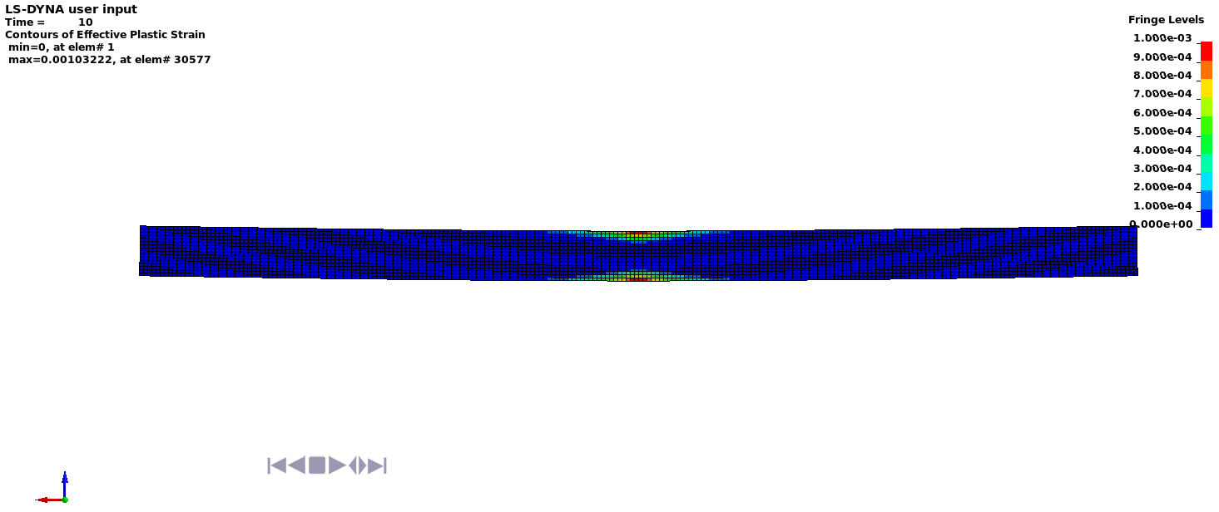

Deflected shape with visible contours of plasticity

